Instructions (Please Read)
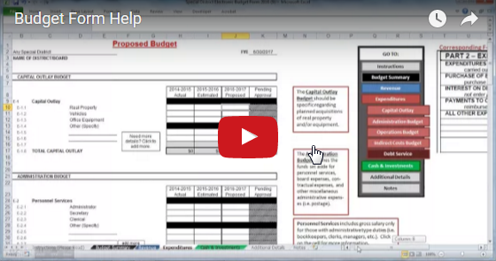
A complete walk-though
is available on Youtube at
https://youtu.be/s_IxdRhMSIo
Select if you are preparing a
Proposed, Final, or Amended Budget
Final Budget |  | This budget form is currently dated for the Fiscal Year Ending
 |  | 2019-06-30

Instructions
Budget Summary
Revenue
Expenditures
Cash & Investments
Additional Details
Notes
BUDGET FORM CONTENTS
Instructions
The Budget Process

INSTRUCTIONS FOR COMPLETING BUDGET REQUEST FORM
In accordance with the requirements of WS 16-12-403, the Department of Audit has modified the Standard Budget Form.

Line Number Reference
Click here to get started
1. | Please follow the steps below:
 | a. Download this as an Excel file and save to your computer.
 | b. Begin by reading this instruction sheet and continue by inputting data on the following worksheets (Tabs are along the bottom of the page). This will automatically fill results to the "Budget Summary" sheet.
Or, click on the tabs at the bottom to navigate
 | c. Enter all required information at the top of the Budget Summary sheet (Name, County, District address, District phone, FYE, Your name, Date, Location, and Time of Budget Hearing).
 | You cannot enter data into cells shaded in gray as they are automatic totals.
2. | Choose, in the drop-down box at the top of this page, which budget ("proposed" or "final") you intend to submit at this time. Note: If you are preparing a proposed budget the "Final Budget" column will be crossed out.
3. | In places you are asked to identify a specific item, please describe it in detail. SAVE THE EXCEL FILE AS YOU WILL NEED IT LATER.
4. | For EACH budget form prepared (Proposed or Final) you will click the "Create a PDF" button on the Budget Summary page. This will save a copy of the budget in your folder in .pdf format. The saved copy of the budget will then need to be submitted via email to your county government AND to the Wyoming Department of Audit at doa-pfd-web@wyo.gov.
5. | If you have ANY questions, or concerns, please contact the Public Funds Division at 307-777-7798.

Helpful Tip: Certain headings have comments associated with them, which contain more detailed information regarding the section of the budget form you are about to complete. They appear in red boxes to the right of the budget form. SAVE ALL EXCEL FILE VERSIONS FOR FUTURE USE.

NOTE: The column headed "Final Approval" will not be completed until the Public Budget hearing is held. The public hearing is to be held not later than the third Thursday in July in accordance with W.S. 16-12-406. Or, the governing board of any special purpose district may choose to hold the budget hearing in conjunction with the county budget hearings and so advertise. Final budgets must be approved within three (3) business days of hearing.

The Budget Process

Introduction

The budget is the master financial plan of the governmental entity, showing the proposed cost for
each function of activity and the proposed means of financing them. The budget should not be
thought of merely as a means of determining the amount to be raised by tax levy to supplement other
revenues. The necessity of preparation and use of a budget cannot be overemphasized and is required by law.

The budget should be comprehensive, covering all proposed expenditures and all anticipated
receipts and revenues, regardless of source. Expenditure estimates should be in sufficient detail to
show the need for the appropriations requested, and cover all items, whether for ordinary operation or
capital outlay. Revenue estimates should be made with due consideration for possible failure to
realize the full amount anticipated, and thereby avoid the possibility of revenue deficits during the
fiscal year.

Budgets are required by Wyoming statute W.S. 16-12-401 for all governmental entities listed in
W.S. 16-12-202(a) (unless otherwise specified). This form is optional for all other governmental entities.

The annual budgetary process involves three phases: preparation, adoption, and execution. The
preparation phase of the budgetary process is the responsibility of the designated budget officer
(usually the clerk or treasurer). It is accomplished by the correlation of financial data produced by
the accounting system and the projected program requirements of the various functions and activities
for which a particular governmental entity may have responsibility. The adoption phase involves the
proposed budget that has been reviewed by the Department of Audit being presented to the governing
body for consideration, possible modification, and final enactment. The budget execution phase is the
phase of the budget cycle which encompasses all the actions required to effectively, efficiently, and
economically accomplish the programs for which funds were requested and approved.

Budget Preparation

The appropriate budget officer (generally the clerk or treasurer) shall prepare a proposed budget for
each entity and present the proposed budget to the governing body in a timely fashion allowing the
governing body to meet the hearing date and notice requirements established by W.S. 16-12-406.

Special purpose districts having the authority under the general laws of Wyoming to levy taxes or
impose assessments and public entities receiving funds from a municipality, as defined by
W.S. 16-4-102(a)(xiv), shall prepare budgets in a format acceptable to the Director of the State
Department of Audit [W.S. 16-4-125(c) and W.S. 16-12-403 respectively]. In addition, special
districts must report their proposed and final budgets to the Department of Audit and the County Clerk
[W.S 9-1-507(a)(viii)]. To enhance consistency, the Department of Audit has created a budget form for
which only special districts are required to use when preparing their budget. The budget form is
available on the Department of Audit's website. (publicfunds.wyo.gov)

Further, the degree of detail necessary to provide adequate control over expenditures will vary from
entity to entity. However, at a minimum, each governmental entity shall specify functions when
preparing the budget. The Department of Audit's Uniform Chart of Accounts provides flexibility for
varying degrees of control.

The governing body may not make any appropriation in excess of the estimated expendable revenues
and reserves available to the district for the budget year. It is a violation to adopt a budget that expends
more than the resources available (negative spending) [W.S. 16-12-407].

Department of Audit's Budget Format

The budget format, as designed by the Department of Audit for required entities, shall have five basic
sections [W.S. 16-12-403]:
 | A. Budget Message
 | B. Budget Summary
 | C. Revenue Forecasts
 | D. Expenditure Plan
 | E. Statements of Cash Available and Reserves

Each proposed and adopted budget shall be accompanied by a budget message and reserve message.
The budget message shall contain an outline of the proposed financial policies for the budget
year and describe in connection therewith the important features of the budgetary plan. It shall
also state the reasons for changes from the previous year in appropriation and revenue.
The reserve message shall state the amount of reserves on hand and outline the reserve policy for the
budget year.

The Department of Audit's budget format is designed to manage the budgeting by individual entity,
NOT by individual fund.

Budgets for all entities should contain essentially the same detail. Budgets for governmental entities
are required by W.S. 16-12-403 to contain:

 | 1. Actual revenues and expenditures for the last completed fiscal year.
 | 2. Estimated total revenues and expenditures for the current fiscal year.
 | 3. Estimated available revenues and expenditures for the ensuing fiscal year.

The Statements of Cash Available, the Revenue Forecasts and Expenditure Plan shall document
past, present, and future financial information that supports the Budget Summary.

An ideal method of preparing a budget with this information is to have four columns labeled Actual
Prior Year, Estimated Current Year, Proposed Budget, and Approved Budget for the revenue and
expenditure schedules.

 | • The Actual Prior Year column should contain the financial information for the last complete
 | fiscal year from the Survey of Local Government Finances Form (F-32)or Survey of Major Special
 | Agencies (F-66 WY-4) file with the Department of Audit.

 | • The Estimated Current Year column should contain year-to-date data through the month
 | proceeding the month in which the budget is prepared, plus estimated information for the
 | remainder of the current fiscal year.

 | • The Proposed Budget is the unapproved budget, while the Final Budget is the
 | approved budget for the next fiscal year.

 | • Once the detailed revenue and expenditure budget schedules are created, the aggregate totals
 | of these budgets will automatically populate the Budget Summary.

EXAMPLE: If a budget is being prepared for the fiscal year ending June 30, 2019, the Actual Prior
Year would be June 30, 2017. The Estimated Current Year (i.e., the year in which the budget is being
prepared) would be the fiscal year ending June 30, 2018. Since the budget should be prepared during
the last quarter of the current fiscal year (usually beginning in April), the remaining figures for April,
May, and June would be estimated for the Estimated Current Year column. The Proposed Budget
would be the estimated revenues and expenditures for the fiscal year ending June 30, 2019, and the
Final Budget would be created after the budget hearing and approval incorporating any changes made
in that process.

In addition, to improve management control of the budget, anticipated revenue and expenditures
should be shown for all appropriate accounts presented in the Chart of Accounts. However, the
governing body may deem it unnecessary to determine budgeting by object code.

In preparing the annual budget, a governmental entity may accumulate net position in any enterprise
or intra-governmental service fund or accumulate a fund surplus in any other fund. Special Districts
may accumulate reserves in any fund. However, the surplus in the general fund
may only be used for a few specific purposes [W.S. 16-12-404].

Reserves

A reserve is a liquid asset held by a bank in order to meet expected future payments and/or emergency needs.
To qualify as a reserve, the funds must be separated from the general operating fund in either a separate bank
account or a specific general ledger item in the chart of accounts. The reserve item must be entered into the meeting
minutes when the reserve is established, increased, or spent. Reserves can be classified as non spendable, legally or
legislatively restricted, committed, or unassigned (emergency) purposes. Operating funds should NOT be held in
reserve.

Special District's Budget Form Process

All applicable forms should be completed, and if additional schedules or exhibits are needed for additional funds
and/or departments, they should be prepared and inserted where necessary.

The Proposed budget must be submitted electronically to both the Department of Audit and the
County Clerk of the county where the special district is located no later than June 1 of each
year. For electronic submission to the Department of Audit, please email to doa-pfd-web@wyo.gov.
Hardcopy submissions will NOT be accepted.

* It is imperative that the district saves the Excel File used to create the Proposed and Final budget.
The Proposed Budget file will be used to create the Final Budget, and once adopted, the Final Budget
file will be used to create any Amended budgets the district may file for that year.

Budget Adoption

The Proposed Budget shall be reviewed and considered by the governing body in a regular or special
meeting called for this purpose. Following a public hearing as provided in W.S. 16-12-406, the
governing body shall adopt a budget [W.S. 16-12-403(d)]. Budget hearing notices are due to the
Department of Audit no later than September 30.

The budget shall be approved and passed by resolution (by minutes).

After the budget is approved for adoption, the Final Budget must be submitted electronically to both
the Department of Audit and the County Clerk of the county where the special district is
located no later than July 31 of each year [W.S. 16-12-408(a)]. For electronic submission to the Department
of Audit, please email to doa-pfd-web@wyo.gov. Hardcopy submissions will NOT be accepted.

To create a Final Budget, open the Excel file that was used to create the Proposed budget. In the
drop-down box at the top of the Instructions tab, select “Final Budget”. The information from the
Proposed Budget will remain in the form, and will be added to the new Final Approval column.
If needed, enter the new values that changed after the budget hearing into the Final Approval column.

* Save the Excel file to use if the district needs to file any Amended Budgets for the fiscal year.

DO NOT change the values in the Proposed Budget column, or in the Budget Summary Tab.
Once the values for the Final Budget are updated, save the file as a .pdf file, and submit the .pdf copy to the
Department of Audit and County Clerk.

Budget Execution

The budget execution phase is the phase of the budget cycle which encompasses all the actions
required to effectively, efficiently, and economically accomplish the programs for which funds were
requested and approved. During this phase, it is important to align the budget classifications with the
chart of accounts in order to facilitate the meaningful comparison of actual against budgeted
revenues and expenditures. Performing this comparison will help to ensure spending is within
approved budget limits. It is important to remain within budget, as it is against state statute and,
therefore, illegal to 'go over' budget [W.S. 16-12-407 and Wyoming Constitution Article 16,
Section 7].

In order to prevent unauthorized and illegal spending, if an unforeseen increase in revenues or
expenditures occurs, it may be necessary to amend the budget. The budget must be amended if the
entity intends to spend more than the total amount of expenditures approved within the budget [W.S.
16-12-407]. Amending the budget must be approved prior to exceeding the budget. It is
unnecessary to amend the budget if budgeted funds are reallocated, but remain under or equal to
the total approved expenditure. In the latter situation, although it is unnecessary to amend the
budget, the movement must be approved in a board meeting and documented in the meeting minutes
[W.S. 16-12-409].

EXAMPLE: If an entity only budgeted for a police department to spend $5,000 on uniforms and
$15,000 on a vehicle, their budgeted "bottom line" expenditures would total $20,000
($15,000+$5,000). If the actual vehicle cost $11,000, the police department would be able to move
$4,000 ($15,000-$11,000) from the vehicle budget to the uniforms, as long as the board approved the
movement and it was documented in the meeting minutes. However, if the actual vehicle cost
$25,000 and the department purchased the vehicle, they would have gone over budget by $10,000,
since the "bottom line" expenditure would have totaled $30,000 ($25,000+$5,000). This would be
illegal if the entity did not amend their budget appropriately. Therefore, prior to purchase, the
entity would have to amend the budget. If the budget is amended and the estimated expendable
revenues remain greater than expenditures, as required by state statute [W.S. 16-12-407], then the
department could purchase the vehicle legally.

It is important to note that additional funding sources such as grants or special appropriations may
not be known at the time of the original budget preparation, but become available at a later date.
Even if the cash is available, the authorization to spend the unexpected revenue has not been made.
These funds must then be included in an amended budget or remain unspent.

If it is necessary to amend a budget, perform the following items:
 | 1. Publish a hearing notice to include a summary of the tentative amended budget.
 | 2. Hold a hearing to adopt the amended budget.
 | 3. Then, send a copy of the certified amended budget to the County Clerk and the
 | Department of Audit, Public Funds Division.

To create an Amended budget, open the Excel file that was used to create the Final Budget. In the
drop-down box at the top of the Instructions tab, select “Amended Budget”. In the top right corner of the
Instructions tab (in cell P2), enter the fiscal year end that is being amended. This will ensure the columns
of the form are labeled with the correct fiscal years.

In column L of the Budget Summary tab, enter the date of the Amended Budget approval.
DO NOT change the original budget hearing information.

The information from the Final Budget will remain in the form, and will be added to the new Amended Budget column.
Enter the new values for any items that have changed into the Amended Budget column. DO NOT change any values
that do not need amended, or any values in any of the other columns, or the Budget Summary tab.

* Save the Excel file to use if the district needs to file any more Amended Budgets for the fiscal year.

Once the values for the Amended Budget are updated, save the file as a .pdf file, and submit the .pdf copy to the
Department of Audit and the County Clerk of the county where the special district is located.

Emergency Expenditures - If the governing body determines an emergency exists and the
expenditure of money in excess of the general fund budget is necessary, it may make the
expenditures from revenues available under W.S. 16-12-404(a)(ii) as reasonably necessary to meet the
emergency. Notice of the declaration of emergency shall be published in a newspaper of general
circulation within the district [W.S. 16-12-411], and notice of the emergency budget hearing shall be sent to the
Department of Audit [W.S. 16-12-406(c)], along with the amended budget.

The process for an increased budget due to emergency expenditures follow the same process as the amended budget.

Budget Summary
Fill in the yellow boxes below. (15/15 done)
Select if you are preparing a
Proposed, Final, or
Amended Budget
Click to Convert to PDF
 | FY 7/1/18-6/30/19 |  |  |  | Final Budget
Name of District/Board: | Platte County Senior Citizens Services District Board |  |  |  |  |  |  |  |  |  | If you cannot see the pdf button,
 |  |  |  |  |  |  | Budget Hearing Information |  |  |  | save and reopen the excel file.
Address: | PO Box 1241 |  |  |  |  | Location: | Wheatland Services for Seniors Activity Center |  |  |  | Fill in the yellow boxes below. (15/15 done)
Instructions
Budget Summary
Revenue
Expenditures
Cash & Investments
Additional Details
Notes
To enter budget data go to the following sections:
District Information
Budget Message
Budget Summary
City, State, Zip: | Wheatland WY 82214 |  |  |  |  | Date: | 2018-06-21
District Phone | 307-534-6514 |  |  |  |  | Time: | 12 noon

County: | Platte County |  |  |  |  | Budget Prepared by: | Rose Martinez

Each proposed and adopted budget shall be accompanied by a budget message in explanation of the budget. The budget message shall contain an outline of the proposed financial policies for the budget year and describe in connection therewith the important features of the budgetary plan. It shall also state the reasons for changes from the previous year in appropriation and revenue items and explain any major changes in financial policy .
[W.S. 16-4-104(d)]
 | S-A | BUDGET MESSAGE |  |  |  |  |  |  | W.S. 16-4-104(d)
 | The budget was prepared with input from Services for Seniors. We are attempting to find an average level of expenses based on the past four years and expected changes.

⬅ Double-clicking the cell will allow easier editing, formatting, or pasting from Word. To start a new line or paragraph press Alt+Enter.

Depreciation Reserve
Briefly explain the reserves held by district.
Other Reserves
 | S-B | RESERVE DESCRIPTION
 | We have implemented a reserve policy. When possible, we would like to maintain $400,000 in reserves. That will allow for any unexpedted expenses and would allow the Board to support Services for Seniors for a year if the mill levy failed to be voted in. That way the mill levy could be resubmitted on the next ballot without an interruption in services.

Emergency Reserve

 |  |  |  | Date of End |  | Does the district have regular office hours
 | Names of Board Members |  |  | of Term |  | exceeding 20 hours per week? |  |  | no
1 | Rose Martinez |  |  | 11/15/18
2 | Brenda Teter |  |  | 11/15/18 |  | Have County Clerk's permission to use Services for Seniors
3 | Pat Prueit |  |  | 11/15/18 |  | Central office in Wheatland to store records
4 | Roland Baez |  |  | 11/15/18
5
6
7 |  |  |  |  | If no above: | Are the records on file with the
8 |  |  |  |  |  | County Clerk as required by
9 |  |  |  |  |  | W.S. 16-12-303(c)? |  |  | no
10
11
12

 | Where are the minutes of your board meeting available for public review?
 | At all Services for Seniors Sites

 | How and where are the notices of meeting posted for the public?
 | At all Services for Senior Sites, Guernsey Post Office

 | Where are the public meetings held?
 | Wheatland Services For Seniors Activity Center

— DO NOT ENTER DATA BELOW
 | FINAL BUDGET SUMMARY

 | OVERVIEW |  |  |  |  | 2016-2017 Actual | 2017-2018 Estimated | 2018-2019 Proposed | Final Approval

 | S-1 | Total Budgeted Expenditures |  |  |  | $535,552 | $557,599 | $491,150 | $491,150
 | S-2 | Total Principal to Pay on Debt |  |  |  | $0 | $0 | $0 | $0
 | S-3 | Total Change to Restricted Funds |  |  |  | $0 | $0 | $0 | $0

 | S-4 | Total General Fund and Forecasted Revenues Available |  |  |  | $878,949 | $800,480 | $777,066 | $777,066

 | S-5 | Amount requested from County Commissioners |  |  |  | $478,289 | $400,000 | $410,000 | $410,000
NO INPUT
 | S-6 |  |  |  | Additional Funding Needed : |  |  | $0 | $0 | Balanced or Surplus - No Additional Funding Needed
To enter budget data go to the following sections:

 | REVENUE SUMMARY |  |  |  |  | 2016-2017 Actual | 2017-2018 Estimated | 2018-2019 Proposed | Final Approval
Revenue
Property Tax
Government Revenue
 | S-7 | Operating Revenues |  |  |  | $0 | $0 | $0 | $0
 | S-8 | Tax levy (From the County Treasurer) |  |  |  | $478,289 | $400,000 | $410,000 | $410,000
 | S-9 | Government Support |  |  |  | $0 | $0 | $0 | $0
 | S-10 | Grants |  |  |  | $0 | $0 | $0 | $0
Operating Revenues
 | S-11 | Other County Support (Not from Co. Treas.) |  |  |  | $0 | $0 | $0 | $0
 | S-12 | Miscellaneous |  |  |  | $2,546 | $2,366 | $2,300 | $2,300
Grants
 | S-13 | Other Forecasted Revenue |  |  |  | $0 | $0 | $0 | $0

Miscellaneous
Other Forecasted Rev
 | S-14 | Total Revenue |  |  |  | $480,835 | $402,366 | $412,300 | $412,300
 | FY 7/1/18-6/30/19 |  |  |  |  |  |  |  | Platte County Senior Citizens Services District Board
 | EXPENDITURE SUMMARY |  |  |  |  | 2016-2017 Actual | 2017-2018 Estimated | 2018-2019 Proposed | Final Approval
Expenditures
Capital Outlay
Administration Budget
Debt Service
Operations Budget
Indirect Costs Budget
 | S-15 | Capital Outlay |  |  |  | $0 | $0 | $0 | $0
 | S-16 | Interest and Fees On Debt |  |  |  | $0 | $0 | $0 | $0
 | S-17 | Administration |  |  |  | $519,580 | $502,149 | $438,150 | $438,150
READ ONLY
 | S-18 | Operations |  |  |  | $15,802 | $54,450 | $52,000 | $52,000
 | S-19 | Indirect Costs |  |  |  | $170 | $1,000 | $1,000 | $1,000

 | S-20 | Total Expenditures |  |  |  | $535,552 | $557,599 | $491,150 | $491,150

 | DEBT SUMMARY |  |  |  |  | 2016-2017 Actual | 2017-2018 Estimated | 2018-2019 Proposed | Final Approval

 | S-21 | Principal Paid on Debt |  |  |  | $0 | $0 | $0 | $0

 | CASH AND INVESTMENTS |  |  |  |  | 2016-2017 Actual | 2017-2018 Estimated | 2018-2019 Proposed | Final Approval
Cash & Investments
 | S-22 | TOTAL GENERAL FUNDS |  |  |  | $398,114 | $398,114 | $364,766 | $364,766
General Fund
Depreciation Reserve
 | Summary of Reserve Funds
 | S-23 | Beginning Balance in Reserve Accounts
 | S-24 | a. Depreciation Reserve |  |  |  | $0 | $0 | $0 | $0
Other Reserves
 | S-25 | b. Other Reserve |  |  |  | $0 | $0 | $0 | $0
 | S-26 | c. Emergency Reserve (Cash) |  |  |  | $0 | $0 | $0 | $0
Emergency Reserve
 |  |  |  | Total Reserves (a+b+c) |  | $0 | $0 | $0 | $0
 | S-27 | Amount to be added
 | S-28 | a. Depreciation Reserve |  |  |  | $0 | $0 | $0 | $0
 | S-29 | b. Other Reserve |  |  |  | $0 | $0 | $0 | $0
 | S-30 | c. Emergency Reserve (Cash) |  |  |  | $0 | $0 | $0 | $0
 |  |  | Total to be added (a+b+c) |  |  | $0 | $0 | $0 | $0

 | S-31 | Subtotal |  |  |  | $0 | $0 | $0 | $0
 | S-32 | Less Total to be spent |  |  |  | $0 | $0 | $0 | $0
 | S-33 | TOTAL RESERVES AT END OF FISCAL YEAR |  |  |  | $0 | $0 | $0 | $0
 |  |  |  |  |  |  |  |  | End of Summary

 |  |  |  |  |  | Date adopted by Special District |  |  | 2070-01-25
 | Budget Officer / District Official (if not same as "Submitted by")

 | DISTRICT ADDRESS: |  | PO Box 1241 |  |  | PREPARED BY: |  | Rose Martinez
 |  |  | Wheatland WY 82214

 | DISTRICT PHONE: |  | 307-534-6514

 | Prepared in compliance with the Uniform Municipal Fiscal Procedures Act (W.S. 16-4-101 through 124) as it applies.
 | 1/29/18 | Form approved by Wyoming Department of Audit, Public Funds Division

Revenue
Corresponding F-32 Section (Reference Only)Reference
 | Final Budget
Instructions
Budget Summary
Revenue
Expenditures
Cash & Investments
Additional Details
Notes
Go to:
Property Tax
Government Revenue
Operating Revenues
Grants
Miscellaneous
Other Forecasted Rev
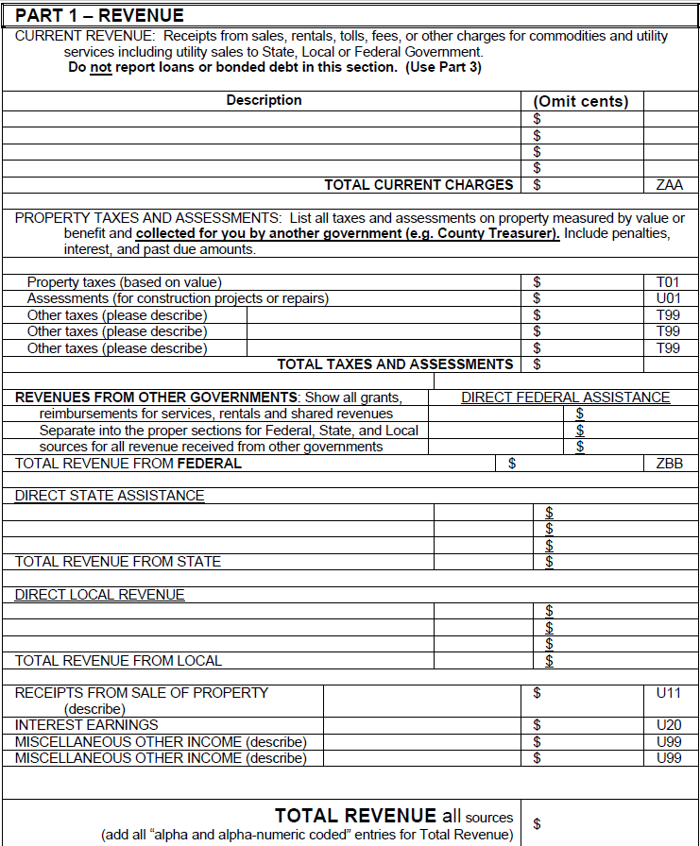
This column will automatically transfer figures.
You can change them if necessary.
 | Platte County Senior Citizens Services District Board |  |  |  |  | FYE | 2019-06-30
 | NAME OF DISTRICT/BOARD

 | PROPERTY TAXES AND ASSESSMENTS

Other County Support
is money paid by the county that is not part of a tax assessment, such as fees.
 |  |  |  | 2016-2017 Actual | 2017-2018 Estimated | 2018-2019 Proposed | Final Approval
 | R-1 | Property Taxes and Assessments Received
H-1 | R-1.1 |  | Tax Levy (From the County Treasurer) | $478,289 | $400,000 | $410,000 | $410,000
(See note on the right.)
H-2 | R-1.2 |  | Other County Support

 | FORECASTED REVENUE

County assessments such as LEVIES and MILLS go "Property Taxes and Assessments" above.
Forecasted Revenue includes all revenues from all sources, unless your property taxes must be authorized by the County Commissioners.
 |  |  |  | 2016-2017 Actual | 2017-2018 Estimated | 2018-2019 Proposed | Final Approval
G-1 | R-2 | Revenues from Other Governments
G-1.1 | R-2.1 |  | State Aid
G-1.2 | R-2.2 |  | Additional County Aid (non-treasurer)
G-1.3 | R-2.3 |  | City (or Town) Aid
G-1.4 | R-2.4 |  | Other (Specify)
G-1.5 | R-2.5 |  | Total Government Support | $0 | $0 | $0 | $0
G-2 | R-3 | Operating Revenues
G-2.1 | R-3.1 |  | Customer Charges
G-2.2 | R-3.2 |  | Sales of Goods or Services
G-2.3 | R-3.3 |  | Other Assessments
G-2.4 | R-3.4 |  | Total Operating Revenues | $0 | $0 | $0 | $0
G-3 | R-4 | Grants
G-3.1 | R-4.1 |  | Direct Federal Grants
G-3.2 | R-4.2 |  | Federal Grants thru State Agencies
G-3.3 | R-4.3 |  | Grants from State Agencies
G-3.4 | R-4.4 |  | Total Grants | $0 | $0 | $0 | $0
G-4 | R-5 | Miscellaneous Revenue
G-4.1 | R-5.1 |  | Interest | $2,546 | $2,366 | $2,300 | $2,300
G-4.2 | R-5.2 |  | Other: Specify
click to add more detail.
G-4.3 | R-5.3 |  | Other: Additional
G-4.4 | R-5.4 |  | Total Miscellaneous | $2,546 | $2,366 | $2,300 | $2,300
G-5 | R-5.5 | Total Forecasted Revenue |  | $2,546 | $2,366 | $2,300 | $2,300

G-12 | R-6 | Other Forecasted Revenue
G-12.1 | R-6.1 | a. | Other past due-as estimated by Co. Treas.
G-12.2 | R-6.2 | b. | Other forecasted revenue (specify):
G-12.3 | R-6.3
G-12.4 | R-6.4
add more
G-12.5 | R-6.5
G-12.6 | R-6.6 | Total Other Forecasted Revenue (a+b) |  | $0 | $0 | $0 | $0

Expenditures
Instructions
Budget Summary
Revenue
Expenditures
Cash & Investments
Additional Details
Notes
GO TO:
Capital Outlay
Administration Budget
Debt Service
Operations Budget
Indirect Costs Budget
Corresponding F-32 Section (Reference Only)Reference
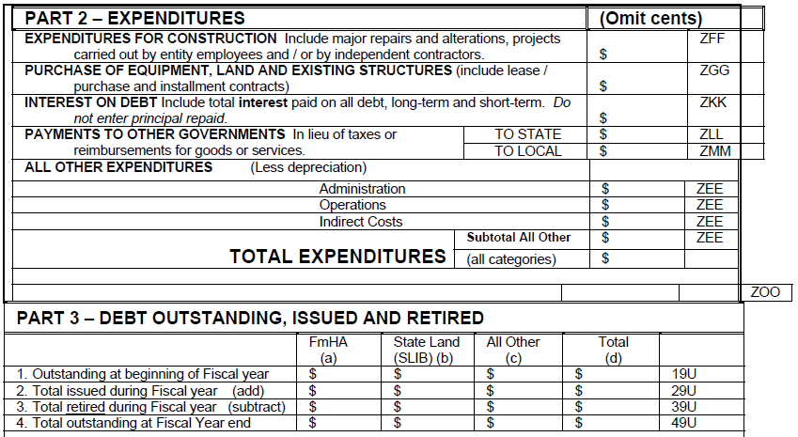
 | Final Budget
 | Platte County Senior Citizens Services District Board |  |  |  |  | FYE | 2019-06-30
 | NAME OF DISTRICT/BOARD

 | CAPITAL OUTLAY BUDGET

The Capital Outlay Budget should be specific regarding planned acquisitions of real property and/or equipment.
 |  |  |  | 2016-2017 Actual | 2017-2018 Estimated | 2018-2019 Proposed | Final Approval
E-1 | E-1 | Capital Outlay
E-1.1 | E-1.1 |  | Real Property
E-1.2 | E-1.2 |  | Vehicles
E-1.3 | E-1.3 |  | Office Equipment
E-1.4 | E-1.4 |  | Other (Specify)
Need more details? Click to add more.
E-1.5 | E-1.5
E-1.6 | E-1.6
 | E-1.7
The Administration Budget outlines the funds set aside for personnel services, board expenses, con-tractual expenses, and other miscellaneous administrative expens-es (i.e. postage).
E-2 | E-1.8 | TOTAL CAPITAL OUTLAY |  | $0 | $0 | $0 | $0

 | ADMINISTRATION BUDGET

 |  |  |  | 2016-2017 Actual | 2017-2018 Estimated | 2018-2019 Proposed | Final Approval
B-1 | E-2 | Personnel Services
B-1.1 | E-2.1 |  | Administrator
B-1.2 | E-2.2 |  | Secretary
Personnel Services includes gross salary only for those with administrative type duties (i.e. bookkeepers, clerks, managers, etc.). Click on the cell for more information.
B-1.3 | E-2.3 |  | Clerical
B-1.4 | E-2.4 |  | Other (Specify)
B-1.5 | E-2.5
B-1.6 | E-2.6
add more
 | E-2.7
B-2 | E-3 | Board Expenses
B-2.1 | E-3.1 |  | Travel
Be sure to list any significant board expenses that are not already shown below.
B-2.2 | E-3.2 |  | Mileage
B-2.3 | E-3.3 |  | Other (Specify)
B-2.4 | E-3.4
B-2.5 | E-3.5
add more
 | E-3.6
B-3 | E-4 | Contractual Services
B-3.1 | E-4.1 |  | Legal | $0 | $570 | $700 | $700
Contractual services are services provided to the district where written contracts are involved. Be sure to list any significant contractual expenses that are not already shown below.
B-3.2 | E-4.2 |  | Accounting/Auditing | $2,500 | $1,450 | $1,500 | $1,500
B-3.3 | E-4.3 |  | Other (Specify)
B-3.4 | E-4.4 |  | Services for Seniors | $507,080 | $494,429 | $425,600 | $425,600
B-3.5 | E-4.5 |  | audit | $5,000 | $5,000 | $5,000 | $5,000
add more
 | E-4.6
B-4 | E-5 | Other Administrative Expenses
B-4.1 | E-5.1 |  | Office Supplies
B-4.2 | E-5.2 |  | Office equipment, rent & repair
B-4.3 | E-5.3 |  | Education
B-4.4 | E-5.4 |  | Registrations
B-4.5 | E-5.5 |  | Other (Specify)
B-4.6 | E-5.6 |  | election costs | $4,000 | $0 | $5,000 | $5,000
B-4.7 | E-5.7 |  | advertising | $1,000 | $700 | $350 | $350
add more
 | E-5.8
B-5 | E-6 | TOTAL ADMINISTRATION |  | $519,580 | $502,149 | $438,150 | $438,150

 | Final Budget
 | Platte County Senior Citizens Services District Board |  |  |  |  | FYE | 2019-06-30

 | OPERATIONS BUDGET

The Operations Budget outlines the funds used/to be used for non-administrative personnel, travel, operating supplies, and program services.
 |  |  |  | 2016-2017 Actual | 2017-2018 Estimated | 2018-2019 Proposed | Final Approval
C-1 | E-7 | Personnel Services
C-1.1 | E-7.1 |  | Wages--Operations
C-1.2 | E-7.2 |  | Service Contracts
Personnel services include gross salary for all non-administrative employees whose duties relate to providing the services for which the district or board was formed. Click the on the cell for more information.
C-1.3 | E-7.3 |  | Other (Specify)
C-1.4 | E-7.4
C-1.5 | E-7.5
add more
C-1.6 | E-7.6
C-2 | E-8 | Travel
C-2.1 | E-8.1 |  | Mileage
C-2.2 | E-8.2 |  | Other (Specify)
C-2.3 | E-8.3
Travel should include only travel related to providing the services for which the district or board was formed.
C-2.4 | E-8.4
add more
C-2.5 | E-8.5
C-3 | E-9 | Operating supplies (List)
C-3.1 | E-9.1
C-3.2 | E-9.2
Operating supplies should include supplies specific to providing the services for which the district or board was formed. Some districts will include repairs and maintenance on equipment.
C-3.3 | E-9.3
C-3.4 | E-9.4
add more
C-3.5 | E-9.5
C-4 | E-10 | Program Services (List)
C-4.1 | E-10.1 |  | platte county day meals | $11,312 | $11,450 | $12,000 | $12,000
C-4.2 | E-10.2
C-4.3 | E-10.3
Program service costs are those directly associated with providing services, for which the entity was formed, to its constituency. For a list of examples, please see the "Special District Accounting Manual" under the "Budget Report Form" section.
C-4.4 | E-10.4
add more
C-4.5 | E-10.5
C-5 | E-11 | Contractual Arrangements (List)
C-5.1 | E-11.1
C-5.2 | E-11.2
C-5.3 | E-11.3
C-5.4 | E-11.4
add more
C-5.5 | E-11.5
C-6 | E-12 | Other operations (Specify)
C-6.1 | E-12.1 |  | additional draw SfS | $4,490 | $43,000 | $40,000 | $40,000
C-6.2 | E-12.2
C-6.3 | E-12.3
C-6.4 | E-12.4
add more
C-6.5 | E-12.5
C-7 | E-13 | TOTAL OPERATIONS |  | $15,802 | $54,450 | $52,000 | $52,000

 | Final Budget
 | Platte County Senior Citizens Services District Board |  |  |  |  | FYE | 2019-06-30

Indirect costs are those which are not directly attributed to specific cost objects. Click on the cell for an example.
 | INDIRECT COSTS BUDGET

Insurance costs include the cost of any required surety bonds, as well as all other forms of insurance indicated on this form.
 |  |  |  | 2016-2017 Actual | 2017-2018 Estimated | 2018-2019 Proposed | Final Approval
D-1 | E-14 | Insurance
D-1.1 | E-14.1 |  | Liability | $170 | $1,000 | $1,000 | $1,000
D-1.2 | E-14.2 |  | Buildings and vehicles
D-1.3 | E-14.3 |  | Equipment
D-1.4 | E-14.4 |  | Other (Specify)
D-1.5 | E-14.5
Separately list the employer's share of FICA, workers' compensation, unemployment taxes, the employer's share of retirement, health and/or life insurance or any other employee benefits. The employee's share of FICA and withholding should not be included here.
D-1.6 | E-14.6
add more
D-1.7 | E-14.7
D-2 | E-15 | Indirect payroll costs:
D-2.1 | E-15.1 |  | FICA (Social Security) taxes
D-2.2 | E-15.2 |  | Workers Compensation
D-2.3 | E-15.3 |  | Unemployment Taxes
D-2.4 | E-15.4 |  | Retirement
D-2.5 | E-15.5 |  | Health Insurance
D-2.6 | E-15.6 |  | Other (Specify)
 | E-15.7
 | E-15.8
add more
 | E-15.9
D-3 | E-16 | Depreciation Expenses
D-4 | E-17 | TOTAL INDIRECT COSTS |  | $170 | $1,000 | $1,000 | $1,000

Corresponding F-32 Section (Reference Only)Reference
The debt service budget needs to show both components of debt service, principal and interest.
 | DEBT SERVICE BUDGET

 |  |  |  | 2016-2017 Actual | 2017-2018 Estimated | 2018-2019 Proposed | Final Approval
F-1 | D-1 | Debt Service
F-1.1 | D-1.1 |  | Principal
F-1.2 | D-1.2 |  | Interest
F-1.3 | D-1.3 |  | Fees
F-2 | D-2 | TOTAL DEBT SERVICE |  | $0 | $0 | $0 | $0

Cash & Investments
Instructions
Budget Summary
Revenue
Expenditures
Cash & Investments
Additional Details
Notes
GO TO:
General Fund
Depreciation Reserve
Other Reserves
Emergency Reserve
Corresponding F-32 Section (Reference Only)Reference
 | Final Budget
 | Platte County Senior Citizens Services District Board |  |  |  |  | FYE | 2019-06-30
 | NAME OF DISTRICT/BOARD

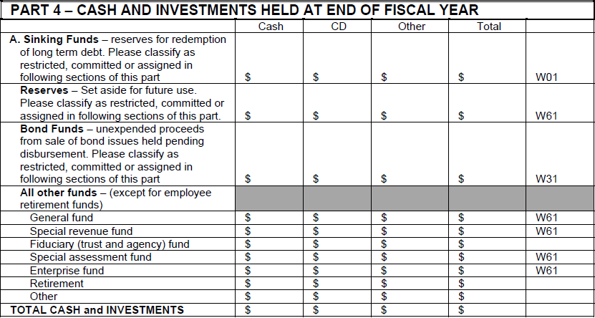
Actual amount should reflect the end of year cash balance. Estimated and Proposed amounts should reflect the beginning of year cash balance, including monies held in reserve.
 | GENERAL FUNDS
 |  |  |  | End of Year | Beginning | Beginning
 | C-1 | Balances at Beginning of Fiscal Year |  | 2016-2017 Actual | 2017-2018 Estimated | 2018-2019 Proposed | Final Approval
 | C-1.1 | General Fund Checking Account Balance |  | $3,135 | $3,135 | $1,128 | $1,128
 | C-1.2 | Savings and Investments Account Balance |  | $82,924 | $82,924 | $151,837 | $151,837
 | C-1.3 | General Fund CD Balance |  | $312,055 | $312,055 | $211,801 | $211,801
 | C-1.4 | All Other Funds |  |  | $0
 | C-1.5 | Reserves (From Below) |  | $0 | $0 | $0 | $0
G-9 | C-1.6 | Total Estimated Cash and Investments on Hand |  | $398,114 | $398,114 | $364,766 | $364,766

G-10 | C-2 | General Fund Reductions:
G-10.1 | C-2.1 | a. | Unpaid bills at FYE
G-10.2 | C-2.2 | b. | Reserves | $0 | $0 | $0 | $0
G-10.3 | C-2.3 |  | Total Deductions (a+b) | $0 | $0 | $0 | $0
G-11 | C-2.4 | Estimated Non-Restricted Funds Available |  | $398,114 | $398,114 | $364,766 | $364,766

G-6 | DEPRECIATION RESERVE (CAPITAL OUTLAY - REPLACEMENT)
The depreciation reserve may be thought of as a reserve for capital expenditures, and the emergency reserve is the equivalent of a cash reserve.
Example:
The district owns a computer, which is worth $1,000 brand new. The computer has a useful life of 4 years. Assuming straight-line depreciation, the district would reserve $250 in capital each year. This will ensure the district has capital when needed.
 | C-3 |  |  | 2016-2017 Actual | 2017-2018 Estimated | 2018-2019 Proposed | Final Approval
G-6.1 | C-3.1 | Beginning Balance in Reserve Account (end of previous year) |  |  | $0 | $0
 | C-3.2 | Date of Reserve Approval in Minutes:
G-6.2 | C-3.3 | Amount to be added to the reserve
 | C-3.4 | Date of Reserve Approval in Minutes:
G-6.3 | C-3.5 | SUB-TOTAL |  | $0 | $0 | $0 | $0
G-6.4 | C-3.6 | Identify the amount to be spent from "Reserve for Capital Outlay"
 | C-3.7 | a.
 | C-3.8 | b.
add to part c.
 | C-3.9 | c.
 | C-3.10 | Date of Reserve Approval in Minutes:
G-6.5 | C-3.11 | TOTAL CAPITAL OUTLAY (a+b+c) |  | $0 | $0 | $0 | $0
G-6.6 | C-3.12 | Balance to be retained in Depreciation Reserve Account |  | $0 | $0 | $0 | $0

G-7 | OTHER RESTRICTED FUND BALANCES - RESERVE (LEGALLY ENFORCED)

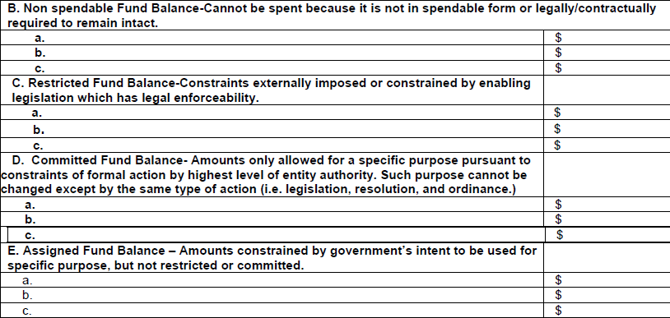
Corresponding F-32 Section (Reference Only)Reference
Other Reserve includes any reserve account(s) that don't fall into the Depreciation or Emergency categories.
Example:
Funds that are not being reserved for asset depreciation or an emergency.
 | C-4 |  |  | 2016-2017 Actual | 2017-2018 Estimated | 2018-2019 Proposed | Final Approval
G-7.1 | C-4.1 | Beginning Balance in Reserve Account (end of previous year) |  |  | $0 | $0
 | C-4.2 | Date of Reserve Approval in Minutes:
G-7.2 | C-4.3 | Amount to be added to the reserve
 | C-4.4 | Date of Reserve Approval in Minutes:
G-7.3 | C-4.5 | SUB-TOTAL |  | $0 | $0 | $0 | $0
G-7.4 | C-4.6 | Identify the amount and project to be spent from "Other Reserves"
 | C-4.7 | a.
 | C-4.8 | b.
add to part c.
 | C-4.9 | c.
 | C-4.10 | Date of Reserve Approval in Minutes:
G-7.5 | C-4.11 | TOTAL OTHER RESERVE OUTLAY (a+b+c) |  | $0 | $0 | $0 | $0
G-7.6 | C-4.12 | Balance to be retained in Other Reserve Account |  | $0 | $0 | $0 | $0

G-8 | ASSIGNED FUND BALANCE (EMERGENCY RESERVE - NOT COMMITTED)

These reserves are funds that strictly set aside for emergencies and should be approved.
Example:
This reserve would be used by the district to save money for unexpected expenses that may arise throughout the fiscal year.
 | C-5 |  |  | 2016-2017 Actual | 2017-2018 Estimated | 2018-2019 Proposed | Final Approval
G-8.1 | C-5.1 | Beginning Balance in Reserve Account (end of previous year) |  |  | $0 | $0
 | C-5.2 | Date of Reserve Approval in Minutes:
G-8.2 | C-5.3 | Amount to be added to the reserve
 | C-5.4 | Date of Reserve Approval in Minutes:
G-8.3 | C-5.5 | SUB-TOTAL |  | $0 | $0 | $0 | $0
G-8.4 | C-5.6 | Amount to be spent from Emergency Reserve (Cash)
 | C-5.7 | Date of Reserve Approval in Minutes:
G-8.5 | C-5.8 | Balance to be retained in Assigned Fund Balance |  | $0 | $0 | $0 | $0
G-8.6
 | C-5.9 | TOTAL TO BE SPENT |  | $0 | $0 | $0 | $0

Additional Details
Final Budget |  |  |  |  |  |  | Totals from this Page Only | 2016-2017 Actual | 2017-2018 Estimated | 2018-2019 Proposed | Final Approval | Amended Budget
Platte County Senior Citizens Services District Board |  |  |  | FYE | 2019-06-30 | Line | Section
NAME OF DISTRICT/BOARD |  |  |  |  |  |  | Administration Budget
 | ADDITIONAL DETAILS |  |  |  |  | E-2.7 | Personnel Services | $0 | $0 | $0 | $0 | $0
Use Drop-down list.
 |  | 2016-2017 Actual | 2017-2018 Estimated | 2018-2019 Proposed | Final Approval | E-3.6 | Board Expenses | $0 | $0 | $0 | $0 | $0
 |  |  |  |  |  | E-4.6 | Contractual Services | $0 | $0 | $0 | $0 | $0
Add to Section | Description | DATA INPUT |  |  |  | E-5.8 | Other | $0 | $0 | $0 | $0 | $0
 |  |  |  |  |  |  | Operations Budget
 |  |  |  |  |  | E-7.6 | Personnel Services | $0 | $0 | $0 | $0 | $0
 |  |  |  |  |  | E-8.5 | Travel | $0 | $0 | $0 | $0 | $0
 |  |  |  |  |  | E-9.5 | Operating supplies | $0 | $0 | $0 | $0 | $0
 |  |  |  |  |  | E-10.5 | Program Services | $0 | $0 | $0 | $0 | $0
 |  |  |  |  |  | E-11.5 | Contractual Arrangements | $0 | $0 | $0 | $0 | $0
 |  |  |  |  |  | E-12.5 | Other operations | $0 | $0 | $0 | $0 | $0
 |  |  |  |  |  |  | Indirect Costs Budget
 |  |  |  |  |  | E-14.7 | Insurance | $0 | $0 | $0 | $0 | $0
 |  |  |  |  |  | E-15.9 | Indirect payroll costs | $0 | $0 | $0 | $0 | $0
 |  |  |  |  |  |  | Capital Outlay Budget
 |  |  |  |  |  | E-1.7 | Capital Outlay | $0 | $0 | $0 | $0 | $0
 |  |  |  |  |  |  | Cash & Forecasted Revenue
 |  |  |  |  |  | R-5.3 | Miscellaneous | $0 | $0 | $0 | $0 | $0
 |  |  |  |  |  | C-3.9 | Reserve for Capital Outlay | $0 | $0 | $0 | $0 | $0
 |  |  |  |  |  | C-4.9 | Other Reserve | $0 | $0 | $0 | $0 | $0
 |  |  |  |  |  | R-6.5 | Other Forecasted Revenues | $0 | $0 | $0 | $0 | $0

Instructions
Budget Summary
Revenue
Expenditures
Cash & Investments
Additional Details
Notes
GO BACK TO

Notes
Instructions
Budget Summary
Revenue
Expenditures
Cash & Investments
Additional Details
Notes
CONTENTS
Notes and Workspace
This page is for any additional information and calculations that you would like to keep for your records.
This worksheet will not be submitted with the budget form.
(You can remove this text box.)

